Sheet1
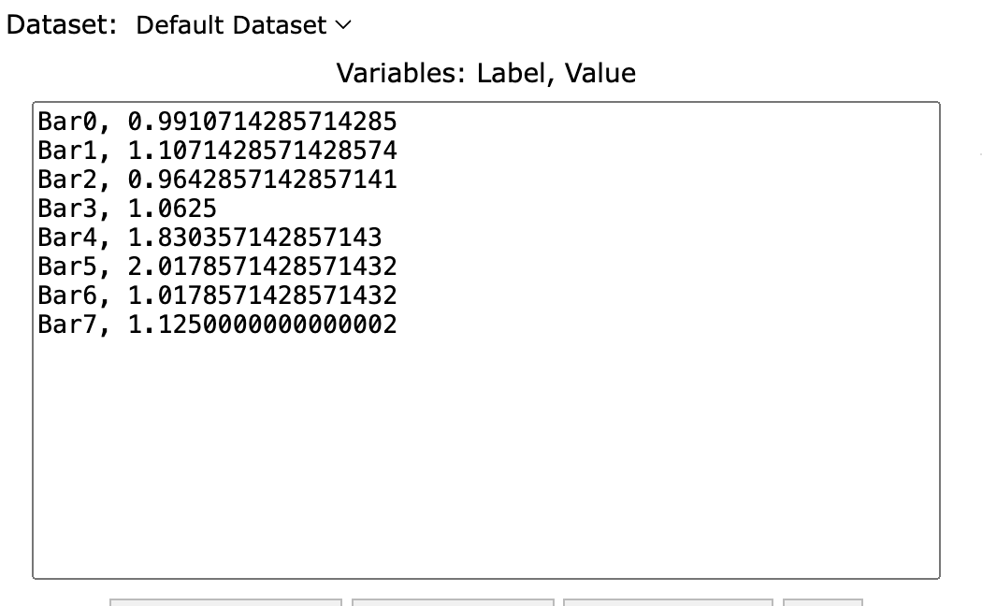
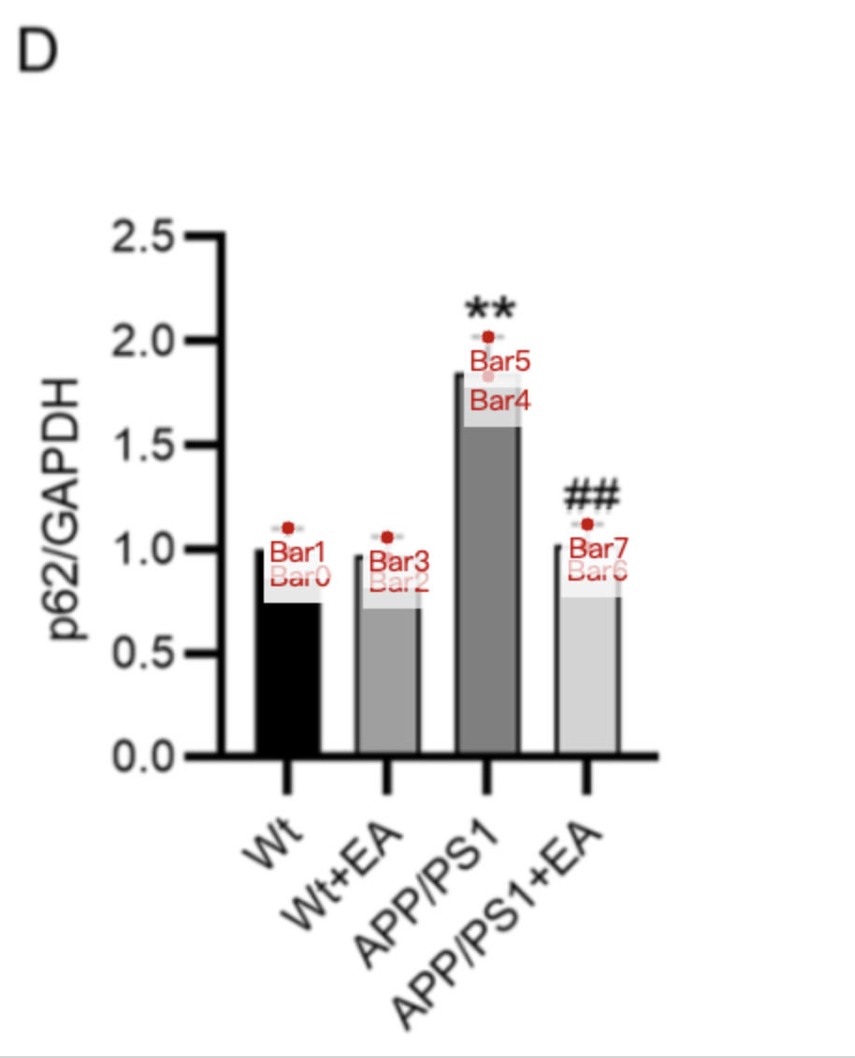
Treatment Groups | WT_p62/GAPDH | WT+EA_p62/GAPDH | APP/PS1_p62/GAPDH | APP/PS1+EA_p62/GAPDH
mean | 0.99107142857 | 0.96428571429 | 1.8303571429 | 1.0178571429
sd | 0.1160714286 | 0.09821428571 | 0.1875 | 0.1071428571
mean+sd | 1.1071428571 | 1.0625 | 2.0178571429 | 1.125

